BBG Input
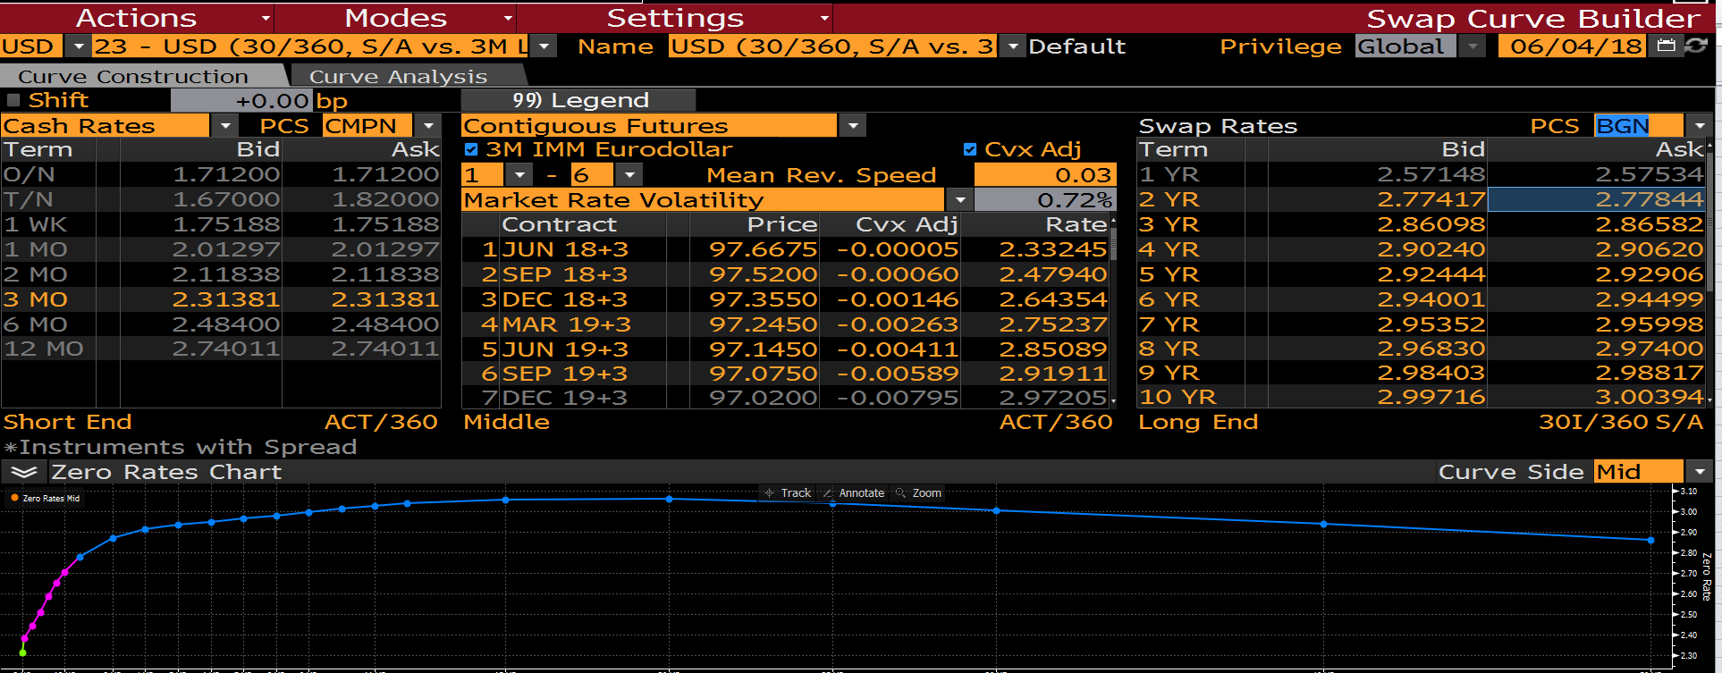

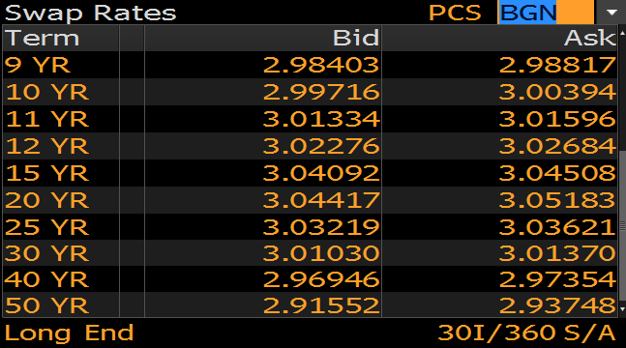

 |  | 1.67 | 1.82 | 1.745

2.3325 | 2.33245

BBG Output
